Categories(Waz)

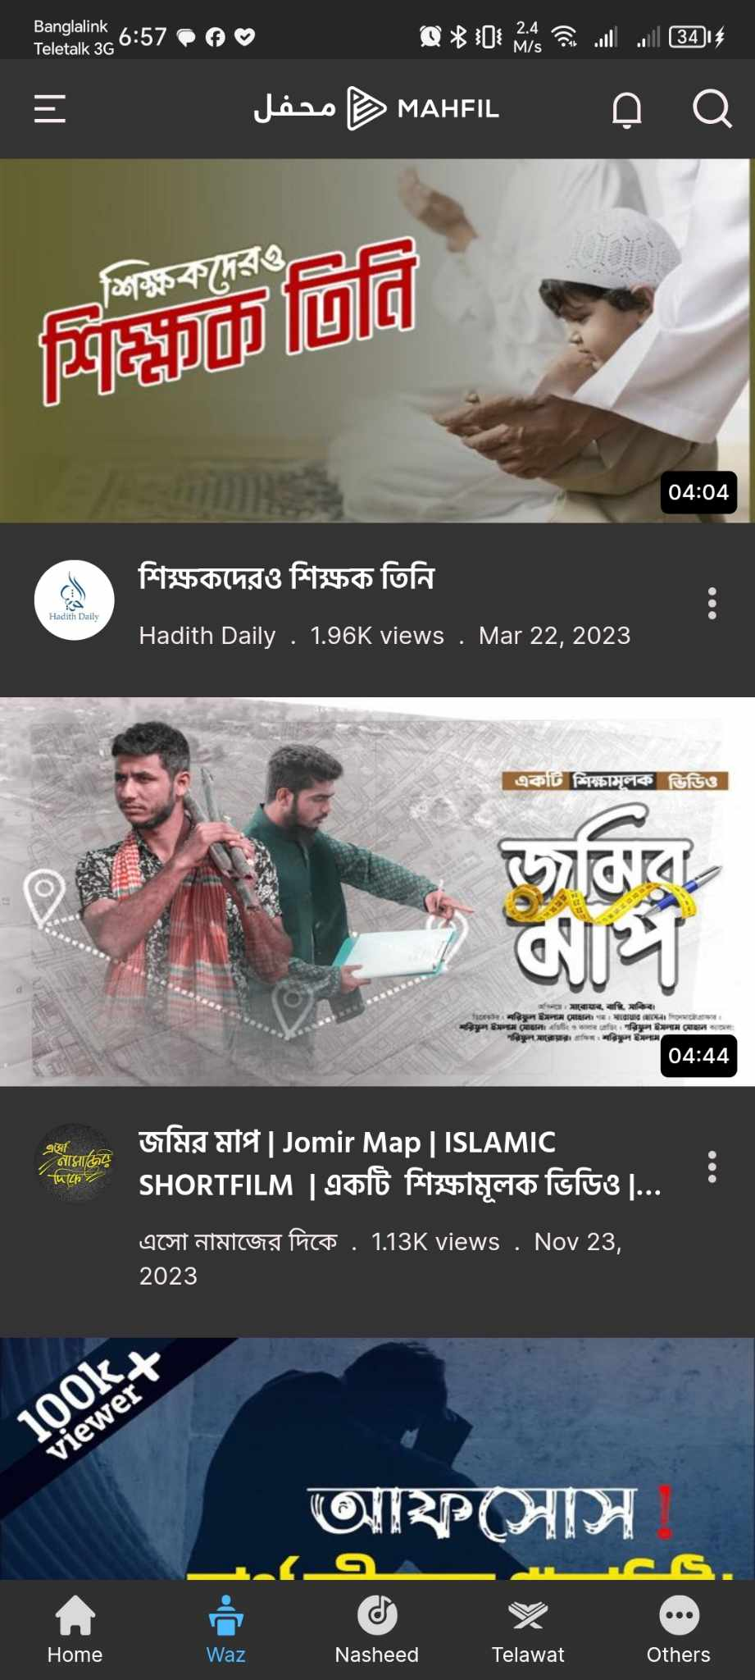
BUG REPORT FORM
SUBMITTED BY |  | DATE
Md. Abdur Rahman |  | 19/12/23

ISSUE TITLE |  | FILE ATTACHMENT(S)
Categories(Waz) not properly filtered

REPRODUCIBILITY ex. 3 out of 10 times

EXACT URL |  | BUILD VERSION

ACTION PERFORMED |  | ERROR MESSAGE
Checked the WAZ Categories for irrelevent videos |  | No Error Message
EXPECTED RESULT |  | ACTUAL RESULT
There should not be any other videos without waz in the waz section |  | There was short videos in the waz section

FREQUENCY | X | PRIORITY | X
Every Time |  | Critical
Hardly Ever |  | High
Occasionally |  | Medium
Once |  | Low

STATUS DESCRIPTION |  | FIXED BY

Categoreis(Nasheed)
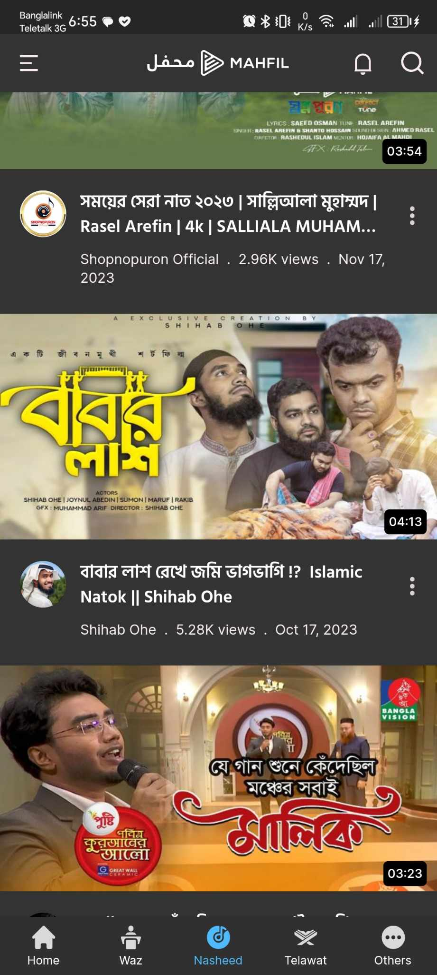
BUG REPORT FORM
SUBMITTED BY |  | DATE
Md. Abdur Rahman |  | 19/12/23

ISSUE TITLE |  | FILE ATTACHMENT(S)
Categories(NASHEED) not properly filtered

REPRODUCIBILITY ex. 3 out of 10 times

EXACT URL |  | BUILD VERSION

ACTION PERFORMED |  | ERROR MESSAGE
Checked the NASHEEED Categories for irrelevent videos |  | No Error Message
EXPECTED RESULT |  | ACTUAL RESULT
There should not be any other videos without NASHEED |  | There was short videos

FREQUENCY | X | PRIORITY | X
Every Time |  | Critical
Hardly Ever |  | High
Occasionally |  | Medium
Once |  | Low

STATUS DESCRIPTION |  | FIXED BY

Categories(Telawat)
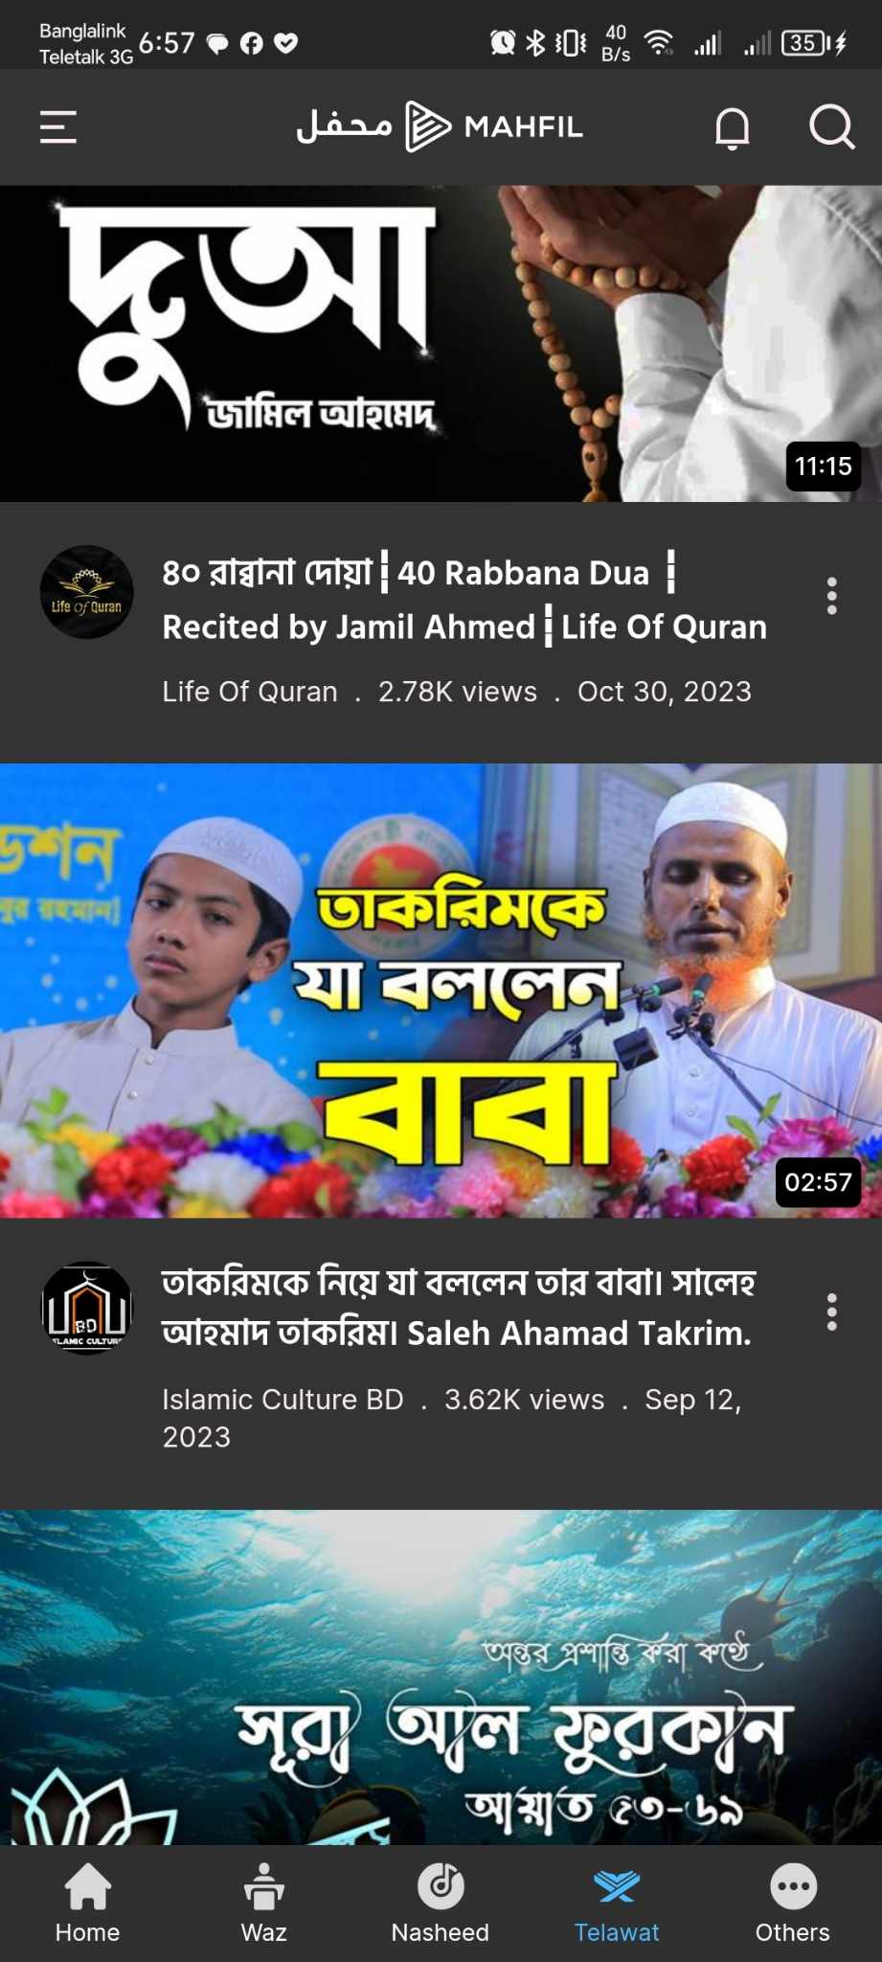
BUG REPORT FORM
SUBMITTED BY |  | DATE
Md. Abdur Rahman |  | 19/12/23

ISSUE TITLE |  | FILE ATTACHMENT(S)
Categories(TELAWAT) not properly filtered

REPRODUCIBILITY ex. 3 out of 10 times

EXACT URL |  | BUILD VERSION

ACTION PERFORMED |  | ERROR MESSAGE
Checked the TELAWAT Categories for irrelevent videos |  | No Error Message
EXPECTED RESULT |  | ACTUAL RESULT
There should not be any other videos without TELAWAT |  | Other video was found

FREQUENCY | X | PRIORITY | X
Every Time |  | Critical
Hardly Ever |  | High
Occasionally |  | Medium
Once |  | Low

STATUS DESCRIPTION |  | FIXED BY

Categories(Others)

BUG REPORT FORM
SUBMITTED BY |  | DATE
Md. Abdur Rahman |  | 19/12/23

ISSUE TITLE |  | FILE ATTACHMENT(S)
Categories(Others) not properly filtered

REPRODUCIBILITY ex. 3 out of 10 times

EXACT URL |  | BUILD VERSION

ACTION PERFORMED |  | ERROR MESSAGE
Checked the Others Categories for irrelevent videos |  | No Error Message
EXPECTED RESULT |  | ACTUAL RESULT
There should not be any other videos without short videos funny videos ,islamic content |  | WAZ was found

FREQUENCY | X | PRIORITY | X
Every Time |  | Critical
Hardly Ever |  | High
Occasionally |  | Medium
Once |  | Low

STATUS DESCRIPTION |  | FIXED BY

Duplicate Content in Categories

BUG REPORT FORM
SUBMITTED BY |  | DATE
Md. Abdur Rahman |  | 19/12/23

ISSUE TITLE |  | FILE ATTACHMENT(S)
Searched for Duplicate content in Categories

REPRODUCIBILITY ex. 3 out of 10 times

EXACT URL |  | BUILD VERSION

ACTION PERFORMED |  | ERROR MESSAGE
Checked all the categories for duplicate videos |  | No Error Message
EXPECTED RESULT |  | ACTUAL RESULT
There should not be duplicate content in Categories |  | Duplicate videos was found in the Categories

FREQUENCY | X | PRIORITY | X
Every Time |  | Critical
Hardly Ever |  | High
Occasionally |  | Medium
Once |  | Low

STATUS DESCRIPTION |  | FIXED BY

